工作表1
Method | Params (Type, Name) | Returns (Type, Name) | Return Values | Exception | Source Code | CFG (each node representing a block or statement) | Basis Paths | Test Requirements (Basis Path Coverage) | Infeasible TRs | Revised TRs | Test Cases | Memo
encodeBase32 | i - the geohash length - the length of the returned hash | String | geohash | n/a | 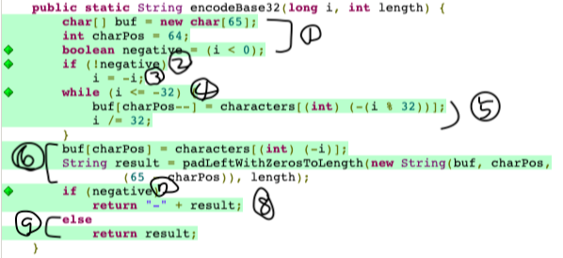 | 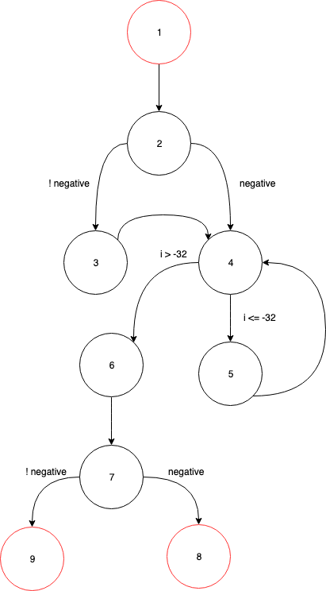 | P1: {n1, n2, n3, n4, n6, n7, n9}, P2: {n1, n2, n4, n5,n6 ,n7, n8}, P3: {n1, n2, n4 ,n6 ,n7 ,n9} | {P1, P2, P3} | P3: {n1, n2, n4 ,n6 ,n7 ,n9 } | P3: {n1, n2, n4, n6 ,n7 ,n8 } | T1: {i=88888, length=7}, T2: {i=-89563, length=1}, T3: {i=-30, length=7} | T1 covers {P1}, T2 covers {P2}, T3 covers {P3}
decodeBase32 | i - the geohash | String | the base32 geohash | n/a | 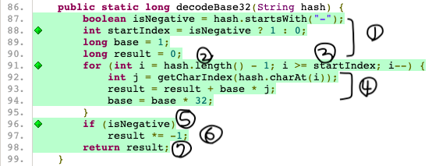 | 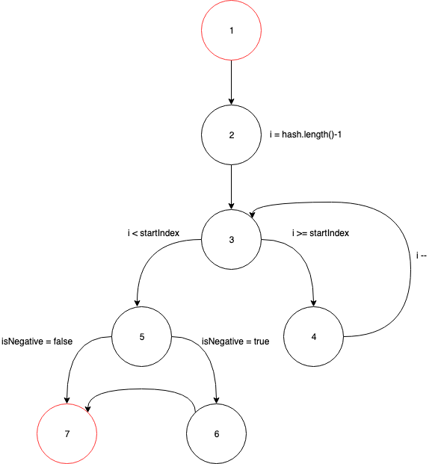 | P1: {n1, n2, n3, n5, n7}, P2: {n1, n2, n3, n5, n6 ,n7}, P3: {n1, n2, n3, n4, n3, n5, n6 ,n7} | {P1, P2, P3} | P1: {n1, n2, n3, n5, n7} | P1: {n1, n2, n3, n4, n3, n5, n7} | T1: {hash="w"}, T2: {hash="-j"}, T3: {hash="-29jk"} | T1 covers {P1}, T2 covers {P2}, T3 covers {P3}
decodeHash | geohash - hash to decode | LatLong | lat long point | geohash cannot be null | 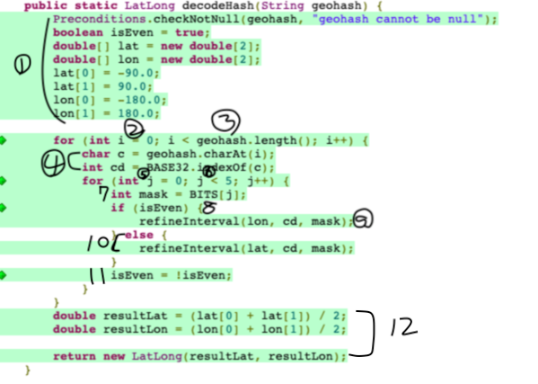 | 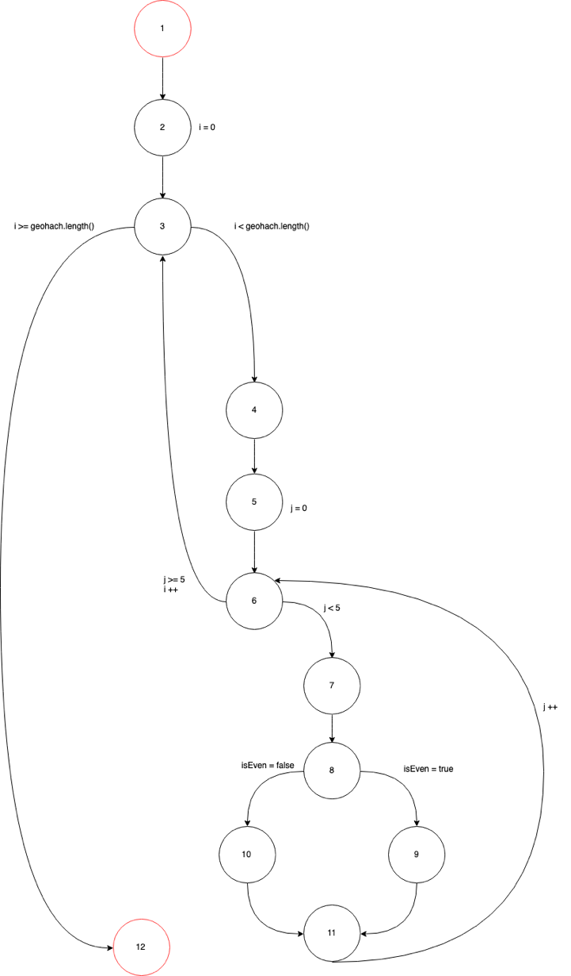 | P1: {n1, n2, n3, n12}, P2: {n1, n2, n3 , n4, n5, n6 , n3, n12}, P3: {n1, n2, n3, n4 , n5, n6 ,n7 , n8, n10, n11, n6, n3, n12}, P4: {n1, n2, n3, n4 , n5, n6 ,n7 , n8, n9, n11, n6, n3, n12} | {P1, P2, P3, P4} | P1: {n1, n2, n3, n12}, P2: {n1, n2, n3 , n4, n5, n6 , n3, n12} | n/a | T1: {geohash="29jw"} | T1 covers {P3, P4}
coverBoundingBoxMaxHashes | topLeftLat - latitude of top left point (north west) topLeftLon - longitude of top left point (north west) bottomRightLat - latitude of bottom right point (south east) bottomRightLon - longitude of bottom right point (south east) maxHashes - maximum number of hashes to use to cover the box | Coverage | coverage | NullPointerException |  | 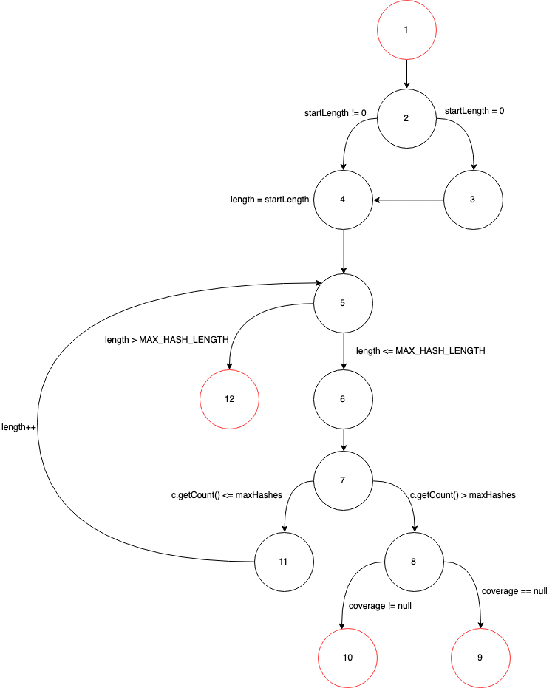 | P1: {n1, n2, n4, n5, n6 ,n7, n11, n5, n12} P2: {n1, n2, n3, n4, n5, n6, n7, n8, n9}, P3: {n1, n2, n4, n5, n6, n7, n8, n10}, | {P1, P2, P3} | n/a | n/a | T1: {topLeftLat=25.0361156, topLeftLon=121.4639264, bottomRightLat=25.0289061, bottomRightLon=121.4889208, maxHashes=4}, T2: {topLeftLat=1, topLeftLon=-1, bottomRightLat=,-1 bottomRightLon=-1, maxHashes=1}, T3: {topLeftLat=25.0361156, topLeftLon=-121.4639264, bottomRightLat=-25.0361156, bottomRightLon=-121.4639264, maxHashes=2}, | T1 covers {P1}, T2 covers {P2}, T3 covers {P3}
gridAsString | hash - reference hash fromRight - top left of the grid in hashes to the right (can be negative). fromBottom - top left of the grid in hashes to the bottom (can be negative). toRight - bottom righth of the grid in hashes to the bottom (can be negative). toBottom - bottom right of the grid in hashes to the bottom (can be negative). highlightThese - hashes to highlight | String | representation of grid | n/a |  | 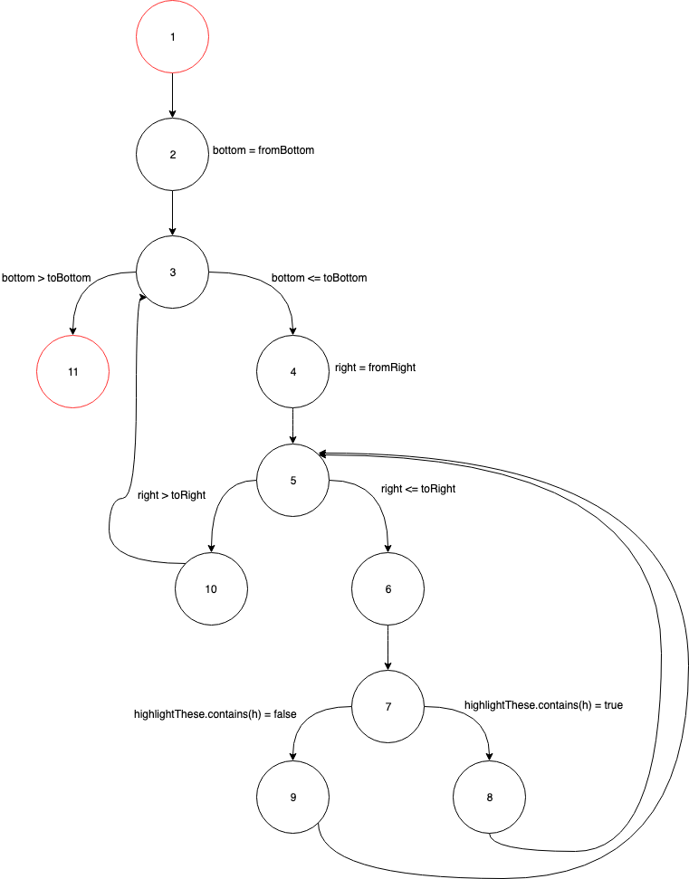 | P1: {n1, n2, n3, n11} P2: {n1, n2, n3, n4, n5, n10, n3, n11}, P3: {n1, n2, n3, n4, n5, n6, n7, n8, n5, n10, n3, n11}, P4: {n1, n2, n3, n4, n5, n6, n7, n9, n5, n10, n3, n11} | {P1, P2, P3, P4} | n/a | n/a | T1: {hash="29jw", fromRight=-1, fromBottom=3, toRight=-1, toBottom=1, highlightThese="29jw", "29jy", "29jx"}, T2: {hash="29jw", fromRight=1, fromBottom=3, toRight=-1, toBottom=1, highlightThese="29jw", "29jy", "29jx"}, T3: {hash="29jw", fromRight=-1, fromBottom=-1, toRight=-1, toBottom=1, highlightThese="29jw", "29jy", "29jx"}, T4: {hash="29jw", fromRight=-1, fromBottom=,-1 toRight=-1, toBottom=1, highlightThese="29jq","29jy","29jx","29jt","29jr","29jm","29jz","29jv"} | T1 covers {P1}, T2 covers {P2}, T3 covers {P3}, T4 covers {P4}
find | topLeftLat - latitude of top left point (north west) topLeftLon - longitude of top left point (north west) bottomRightLat - latitude of bottom right point (south east) bottomRightLon - longitude of bottom right point (south east) start - start time inclusive finish - finish time exclusive | Iterable<Info<T,R>> | info records | n/a |  | 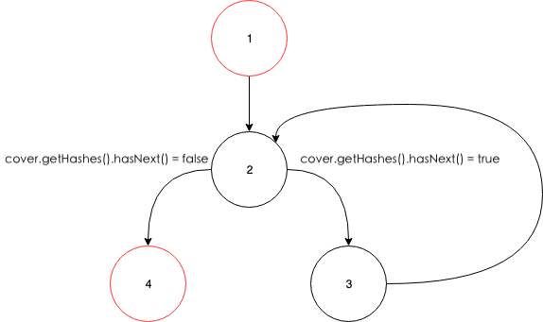 | P1: {n1, n2, n4}, P2: {n1, n2, n3, n2, n4} | {P1, P2} | n/a | n/a | T1: {topLeftLat=0, topLeftLon=0, bottomRightLat=0, bottomRightLon=0, start=-1000000, finish=100000}, T2: {topLeftLat=120, topLeftLon=-120, bottomRightLat=0, bottomRightLon=120, start=-1000000, finish=100000} | T1 covers {P1}, T2 covers {P2}

